Sheet1
DATE | INV NO. | DESCRIPTIONS | AMOUNT | BILLS | PRICE | TOTAL
14-Oct-2025 | 34922 | GORDON GIN PREMIUM DRY 750ml | 3 | 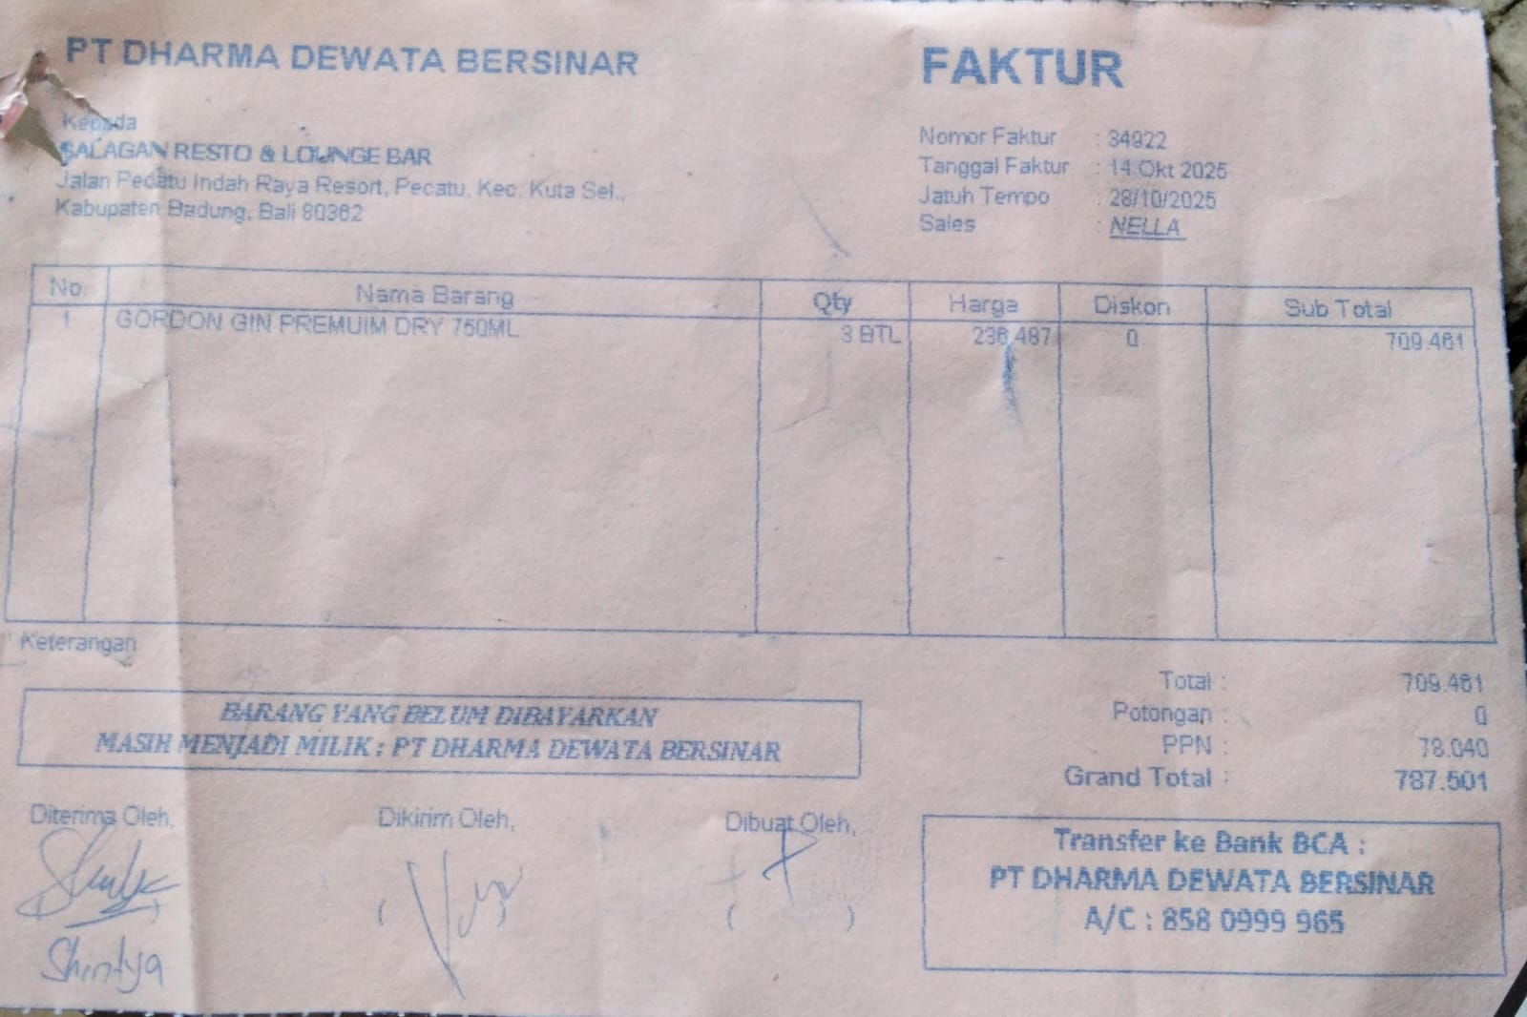 | IDR 236,487 | IDR 709,461
SUB TOTAL |  |  | 3 |  | PPN | IDR 78,040
TOTAL |  |  |  | IDR 787,501
20-Oct-2025 | 35331 | CAPE DISCOVERY BRUT CUVEE 750ML | 3 | 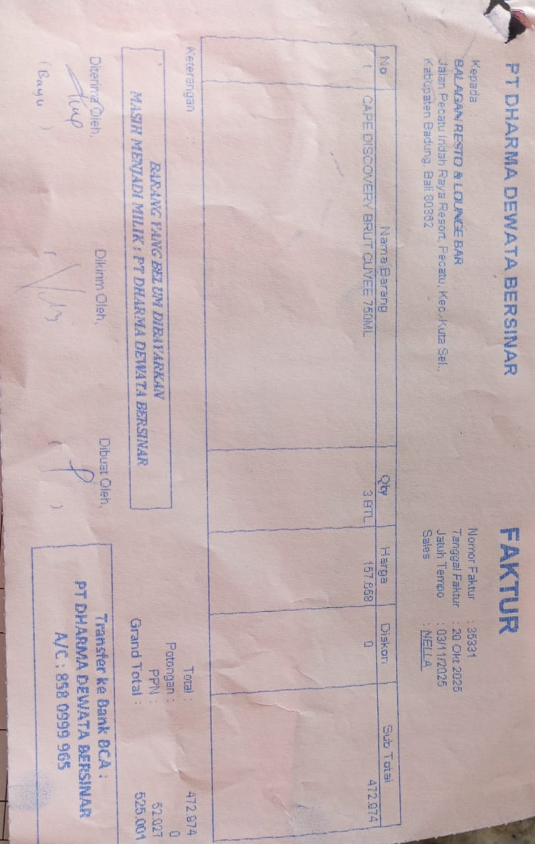 | IDR 157,658 | IDR 472,974
SUB TOTAL |  |  | 3 |  | PPN | Rp52,027
TOTAL |  |  |  | Rp525,001
GRAND TOTAL |  |  |  | IDR 1,312,502

